PILOT F150E
BIKE REF FOR ORDERS : 22-PILOT-150E-STD |  | 2022-03-01 | BIKE NAME : PILOT F150E 2022
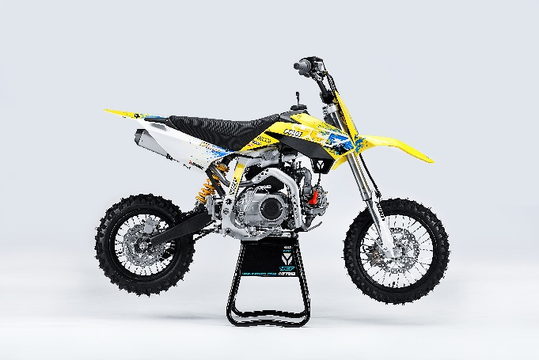 |  |  |  | 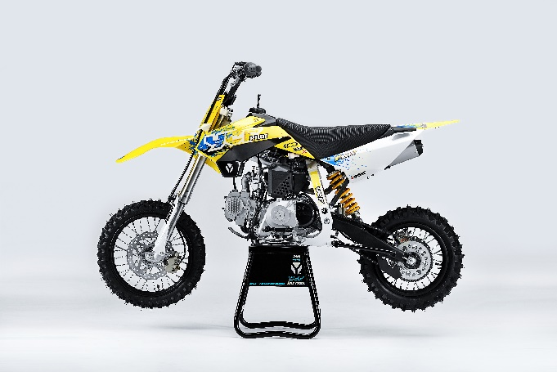

Handle bar assembly
50A = YCF50A
50E = YCF50E
W88E = START W88E
L88 = LITE88 L125 = LITE125
S88S = START F88S
S125S = START F125S
S125SE = START F125SE
S125 = STARTF125
P88 = PILOT 88
P125 = PILOT 125
P150 = PILOT 150
SM125 = START SM125S
SM150 = PILOT SM 150
SP1 = FACTORY SP1
SP2 = FACTORY SP2
SP3 = FACTORY SP3
B125 = BIGY 125MX
B150 = BIGY 150MX
BF150 = BIGY F150MX
BFD190 = BIGY FD190 MX
BFZ190 = BIGY ZE190 MX
S147 = SUNDAY 150
S187 = SUNDAY 190
N° | Ref. | Description | Français | Picture | Qty/Bike | Model
1 | YC110-0101-01 | Handle Bar START chromoly low No embossing L=740mm | Guidon chromoly START bas Sans stries L=740mm |  | 1 | W88E22/S88SE22/L8822/L12522/S125SE22/S12522/P12522/P15022/SM12522
2 | YC110-0132 | Complete Bar Pad for Chromolly Handlebar L=250mm BLACK | Mousse guidon complete pour guidon Chromolly L=250mm NOIR |  | 1 | W88E1822/S88SE1822/L881822/L1251822/S12522/S125S1822/S125SE1822/P1251822/P1501822/SM1251822/B1251822/B1501822
3 | YC110-0153-01 | Handle bar plastic cap | Embout plastique de guidon |  | 1 | ALL BIKES22
4 | YC110-0138-03 | YCF complete Throttle Assy. 2020 with YCF GREY | Poignee gaz complete YCF 2020 avec Paire de poignée YCF GRIS 2020 |  | 1 | 50A22/S88SE22/L8822/L12522/S12522/S125SE22/P12522/P15022/SM125s22/B12522/B15022
5 | PPC011-GY | YCF set of grip GREY 2020 | Paire de poignée caoutchouc YCF GRISE 2020 |  | 1 | All BIKES 22
6 | YC110-0135-02 | CNC adjustable bracket with lever 2020 | Cocotte CNC reglage rapide avec levier embrayage 2020 |  | 1 | S12522/P12522/P15022/SM15022/SP222/SP322/B12522/B15022/BFD22020/BFZ22020/S14722/S18722
7 | YC110-0151-02 | Rubber on clutch lever adjustable screw 2020 | Caoutchouc levier embrayage molette reglage 2020 |  | 1 | S12522/P12522/P15022/SM15022/SP222/SP322/B12522/B15022/BFD22020/BFZ22020/S14722/S18722
8 | YC110-0136-01 | Rubber on clutch lever | Caoutchouc levier embrayage |  | 1 | S1251822/P1251822/P1501822/SM1501822/SP22822/SP31822/B1251822/B1501822/BF1501822/BFD2201822/BFZ2201822/S1471822/S1871822
9 | YC110-0134-04 | Clutch bracket Assy | Cocotte embrayage complete |  | 1 | S12522/P12522/P15022/SM15022/SP222/SP322/B12522/B15022/BFD22020/BFZ22020/S14722/S18722
10 | BT08-M6x22-W | Hex.Bolt M6x22 mm for clutch lever bracket | vis M6x22 mm pour cocotte embrayage |  | 2 | All BIKES 22
11 | YC110-0103-07 | Clutch lever 2020 (with FB13-8x10x10.5-Cu 1EA FB13-8x10x9.4-Cu 1EA ) complete with bushings and washer | Levier embrayage 2020 (avec FB13-8x10x10.5-Cu 1EA FB13-8x10x9.4-Cu 1EA ) avec entretoises et rondelle |  | 1 | S12522/P12522/P15022/SM15022/SP222/SP322/B12522/B15022/BFD22020/BFZ22020/S14722/S18722
12 | YC110-0105-15 | Kill Switch ON/OFF L=580mm | Coupe circuit on off L=580mm |  | 1 | ALL BIKES 1222
13 | YC110-0106-17 | Throttle Cable L=840mm A+B=120mm 2021(FOR NIBBI PE19) | Cable gaz L=840mm A+B=120mm 2021 (POUR NIBBI PE19) |  | 1 | 22-PILOT-150-STD
14 | YC110-0143-01 | RUBBER ON THROTTLE CABLE | Protection caoutchouc cable de gas |  | 1 | ALL BIKES 1722
15 | YC110-01-03-BK | Cable tie L= 150mm BLACK | collier maintien cable L= 150mm NOIR |  | 3 | ALL BIKES 1222
16 | YC110-01-03-WH | Cable tie L=350mm WHITE | collier maintien cable L=350mm BLANC |  | 2 | ALL BIKES 1222
17 | YC110-0109-24 | Clutch Cable Assy. L=930mm A+B=75mm | cable embrayage L=930mm A+B=75mm |  | 1 | P1501322
18 | YC110-0139-02 | Start switch Waterproof L=500mm | Bouton demareur ETANCHE L=500mm |  | 1 | P150E2022

Steering stem assembly
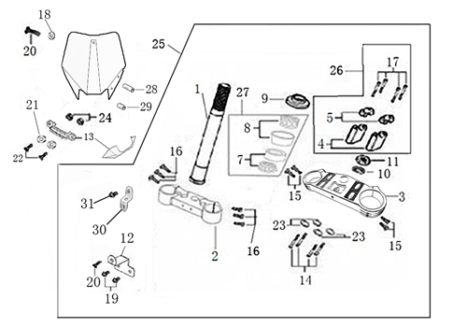
N° | Ref. | Description | Français | Picture | Qty/Bike | Model
1 | YC110-02-053-GY | Complete Triple Clamp (TOP45 / BOTTOM 48) START Type 2022 MATT GERY | Te Fourche Complet (TE SUP. 45 / TE INF.48 Type START 2022 GRIS MAT |  | 1 | PILOT12522/PILOT15022
2 | YC110-0201-03 | Steering stem L=233mm | tige colonne direction L=233mm |  | 1 | S12522/S125S1122/S125se1522/P1251122/P1501122/SM1251222/SM1501322/SP11322/SP21322/SP31322/B1251722/B1501722/BFD2201722/BFZ2201822/S1471822/S1871822
3 | YC110-0222-56-GY | Lower triple clamp 160mm d48mm 2020 MATT GREY | té fourche inferieur 160mm d48mm 2020 GRIS MAT |  | 1 | P12522/P15022
4 | YC110-0221-56-GY | Top Triple Clamp160mm d45mm 2022MATT GREY | té fourche supérieur 160mm d45mm )2022GRIS MAT |  | 1 | P12522/P15022
5 | YC110-0223-035 | Set of Bar mount not adjustable d22.2mm/bottom 55mm START Type BLACK （with GB70-M10x50x1.5W 2EA+BT08-M8x30-W 4EA） | jeu pontet guidon non ajustable d 22.2mm / pontet bas 55mm Type START NOIR （with GB70-M10x50x1.5W 2EA+BT08-M8x30-W 4EA） |  | 1 | W88E22/L8822/S88SE22/L12522/S12522/S125SE22/P12522/P15022/SM12522/SM15022/SP222/B12522/B15022/BFZ22020
6 | YC110-0203-32 | 2020 Lower Bar Mount CNC START type,d22.2 H=55mm BLACK | Pontet guidon inférieur type START d22.2 H=55 mm NOIR 2020 |  | 2 | W88E22/L8822/S88SE22/L12522/S12522/S125SE22/P12522/P15022/SM12522/SM15022/SP222/B12522/B15022/BFZ22020
7 | YC110-0221-02 | Top Bar Mout CNC 2020 d22.2mm H=18mm START Type BLACK | pontet guidon supérieur 2020 d22.2mm H=18mm Type START NOIR |  | 2 | 50A22/50E22/W88E22/L8822/L12522/S88SE22/S12522/S125SE22/P12522/P15022/SM12522/SM15022/SP2/B12522/B15022/BFZ22020
8 | BT08-M6x25-W | Hex.Bolt M6x25mm for clamp (sides top and bottom) | vis M6x25mm pour tes (cotes superieur et inferieur) |  | 8 | All BIKES 22
9 | BT08-M8x30-W | Hex.Bolt M8x30mm for top bar mount | vis M8x30mm pour pontet superieur |  | 4 | W88E22/S88SE22/L8822/L12522/S12522/S125SE22/P12522/P15022/SM12522/SM15022/SP222/SP322/B12522/B15022/BFD22020/BFZ22020
10 | GB70-M10x50x1.5W | Hex. Bolt M10x50mm (step 1.5)for 2020 bar mounts | Vis centrale M10x50mm (pas 1.5) pour pontets 2020 |  | 2 | W88E22/S88SE22/L8822/L12522/S12522/S125SE22/P12522/P15022/SM12522/SM15022/SP222/B12522/B15022/BFZ22020
11 | YC110-0212-07-YE | Front Number Plate 2020 complete YELLOW | PLAQUE AVANT 2020 complete JAUNE |  | 1 | W88E22/S88SE22/L8822/L1251722/S12522/S125S1422/S125SE1422/P1251422/P1501422/SM125s1422/SM1501422/SP11422/SP21422/SP314222
12 | BT08-M6x10-W | Hex.Bolt M6x10mm for front No plate | vis M6x10mm pour plaque No avant |  | 1 | ALL BIKES2020
13 | GB97-d12-W | Flat washer d12 | Rondelle d12 |  | 2 | ALL BIKES2020
14 | KRDIRECTION46 | set of bearing for steering 46/23.5、46/22 | Kit rlt colonne direction 46/23.5、46/22 |  | 1 | 50A22/50E22/W88E22/S88SE22/L8822/L12522/125S1522/S125se1522/P1251322/P1501322/SM1251322/SM1501322/SP11122/SP21222/SP31222/B1251722/B1501722/BF1501722/BFD2201722/BFZ2201722/S1471822/S1871822
15 | YC110-02-09 | Top nut for steering d54.5mm | écrou crantellé colonne direction d54.5mm |  | 1 | ALL BIKES 1222
16 | YC110-02-10 | Washer for steering stem nut d22.5mmxd37mmx0.7mm | joint colonne direction d22.5mmxd37mmx0.7mm |  | 2 | ALL BIKES 1222
17 | YC110-02-11 | Nut for steering stem M22 | écrou supérieur colnne direction M22 |  | 1 | ALL BIKES 1222
18 | YC110-0214-01-WH | YCF Break Line Retainer White with screw and washer（with GB9074.5-M4x10-W 1EA ） | Guide durite sur plaque avant avec vis et rondelle YCF Blanc |  | 1 | 50A22/50E22/W88E22/S88SE22/L8822/L1251622/S125se1522/P1251422/P1501422/SM1251422/SM15014222/SP11422/SP21422/SP31422/B1251722/B1501722/BF1501722/BFD2201722/BFZ2201722
19 | GB97-d4-W | flat washer d4mm for Break Line Retainer front No plate | rondelle d4mm pour guide durite plaque No avant |  | 1 | ALL BIKES 1222
20 | GB818-M4x10-W | Plus screw M4x10mm for Break Line Retainer front No plate | vis M4x10mm pour guide durite plaque No avant |  | 1 | ALL BIKES 1222
21 | YC110-0213-10 | Front plastic plate to hold cables 75mmx100mm | Plaque avant plastique maintien cables 75mmx100mm |  | 1 | ALL BIKES22
22 | YC110-0213-08 | Number plate bracket | support plaque avant |  | 1 | S1251422/S125se1522/P1251422/P1501422/SM1251622/SM1501622/SP11622/SP21622/SP31622/B1251722/B1501722/BF1501722/BFD220ZE1722/BIGYF220D1722
23 | GBT5787-M6x16-3 | Hex. Bolt with flanged M6x16mm front mudguard (spacer 3mm) | vis M6x16mm garde boue avant (deport 3mm ) |  | 1 | ALL BIKES 1622
24 | YC110-01-08-BK | Cable tie ADJUSTABLE BLACK for Front plastic plate to hold cables | Collier maintien cable AJUSTABLE NOIR pour plaque avant plastique |  | 2 | All BIKES 22
25 | YC110-02-22 | Washer for steering stem nut d20mm (top)/d24mm (bottom)-d47mm | Joint pour colonne direction d20mm (haut)/d24mm (bas) -d47mm |  | 1 | S1251422/S125S1422/S125SE1422/P1251422/P1501422/SM1251422/SM1501422/SP11422/SP21422/SP31422/B1251722/B1501722/BF1501722/BFD2201722/BFZ2201822/S1471822/S1871822/S88SE22

Front Fender

N° | Ref. | Description | Français | Picture | Qty/Bike | Model
1 | YC110-032-02-YE | YCF Front Fender 2020 (short) Yellow | GARDE BOUE AVANT 2020 (Court) Jaune |  | 1 | W88E22/S88SE22/L12522/S125SE22/S12522/P12522/P15022/SM12522/SM15022/SP222/SP322
2 | GBT5787-M6x16-6 | Hex. Bolt with flanged M6x16mm (spacer 6mm) for front mudguard (bottom) | vis M6x16mm (deport 6mm) pour garde boue avant (dessous) |  | 3 | 50A22/50E22/W88E1822/S88SE1822/L8822/L12522/S12522/S125SE1822/P1251822/P1501822/SM1251822/SM1501822/SP21822/SP31822/B1251822/B1501822/BF1501722/BFD22017822/BFZ2201822
 | GBT5787-M6x16-3 | Hex. Bolt with flanged M6x16mm front mudguard (spacer 3mm) for front mudguard (top) | vis M6x16mm garde boue avant (deport 3mm ) pour garde boue avant (dessus) |  | 2 | 50A22/50E22/W88E1822/S88SE1822/L8822/L12522/S12522/S125SE1822/P1251822/P1501822/SM1251822/SM1501822/SP21822/SP31822/B1251822/B1501822/BF1501722/BFD22017822/BFZ2201822

Front & Rear absorber

N° | Ref. | Description | Français | Picture | Qty/Bike | Model
1 | YC110-0400-40 | Pair of forks L=735mm (not adjustable) GREY 2020 | Jeu de fourches (non ajustable) L=735mm GRIS 2020 |  | 1 | S12522/S125SE22/SM12522
2 | YC110-0401-1101 | Front right fork L=735mm (not adjustable) GREY 2020 | Tube fourche droit (non ajustable) L=735mm GRIS 2020 |  | 1 | P12522/P15022/SM15022
3 | YC110-0402-2201 | Front left fork L=735mm (not adjustable) GREY 2020 | Tube fourche gauche (non ajustable) L=735mm GRIS 2020 |  | 1 | P1251622/P1501622/SM1501622
4 | BT08-M6x30-W | Hex.Bolt M6x30mm for right fork leg wheel axle fixation | vis M6x30mm pour serrage axe roue avant sur pied de fourche droit |  | 2 | W88E22/S88SE22/S125SE22/P12522/P15022/SM12522/SM15022/B12522/B15022
5 | YC110-0404-81 | Shock absorber L=330mm 600lbs YELLOW 2020 | Amortisseur 330mmx600lbs JAUNE 2020 |  | 1 | P1251622/P1501622
6 | YC110-0417-02 | shock top spacer d12mm for mono swing arm | Entretoise amortisseur d12mm mono bas et haut identique |  | 2 | W88E1822/S88SE1522/S88S1522/S12522/S125se1522/P1251322/P1501322/SM1251222/SM1501222/B1251722/B1501722/BFZ2201822/S1471822
7 | YC110-0422 | Shock bottom spacer d.12mm (same for top/bottom) LB | Entretoise amortisseur bas d.12mm pour bras mono LB |  | 2 | W88E1822/S88SE1522/S88S1516/S12522/S125se1522/P1251322/P1501322/SM1251222/SM1501222/B1251722/B1501722/BFZ2201822/S1471822
8 | PFYCF12-WH | Set of fork protection L=285mm YCF WHITE | 735YCF Jeu protection fourche L=285mm BLANC |  | 1 | P1251622/P1501622/SM1501622/SP11622/SP21622/SP31622/B1251722/B1501722/BF1501722/BFD2201722/BFZ2201722
9 | GB5787-M12x45-W | Hex. Bolt with flanged M12x45mm for shock absorber fixation top and bottom | vis M12x45mm pour fixation amortisseur haut et bas |  | 2 | W88E1822/S88SE1422/L8822/L1251622/125S1522/S125se1522/P1251422/P1501422/SM1251422/SM1501422/SP11422/SP21422/SP31422/B1251722/B1501722/BF1501722/BFD2201722/BFZ2201722/S1471822/S1871822
10 | GB6187-M12-W | Self-locking Nut M12 for shock absorber fixation screw | écrou M12 pour vis fixation amortisseur |  | 2 | W88E1822/S88SE1422/L8822/L1251622/125S1522/S125se1522/P1251422/P1501422/SM1251422/SM1501422/SP11422/SP21422/SP31422/B1251722/B1501722/BF1501722/BFD2201722/BFZ2201722/S1471822/S1871822
...
N° | Ref. | Description | Français | Picture | Qty/Bike | Model
17 | LK-FLK-32 | Slow Jet Nibbi #32 | Gicleur ralenti Nibbi #32 |  | 1 | L12522/S12522/S125S22/S125SE22/P12522/P15022//SP122/SP222/B15022/BF15022/SUNDAY14722
18 | BT08-M6x30-W | Exterior Hex.Bolt M6x30mm for carburetor fixation on inlet pipe | vis M6x30mm pour fixation carburateur sur pipe admission |  | 2 | All BIKES 22
19 | GB6170-M6-W | Hex flanged self locking nut M6 for carburetor fixation on inlet pipe | écrou M6 pour fixation carbu sur pipe admission |  | 2 | ALL BIKES (BUT 50A-E)
20 | 17311-5-01 | Inlet Pipe,Pro P150 | PIPE ADMISSION P150 |  | 1 | P15022/SP222
21 | BT08-M6x22-W | Exterior Hex.Bolt M6x20mm for inlet pipe fixation (on engine) | vis M6x20mm pour fixation pipe admission (sur moteur) |  | 2 | All BIKES 22
22 | 17332 | carburettor paper gasket d28mm | joint papier carburateur d28mm |  | 1 | S88SE1522/L881722/L1251622/S125S1322/S125se1522/S12522/P1251322/P1501322/SM1251322/SM1501322/SP11322/SP21322/B1251722/B1501722/BF1501722/S1471822
23 | 17332/152FMH01 | Intake Gasket d=28mm | JT PAPIER PIPE ADMISSION d=28mm |  | 1 | S88SE1522/L881722/L1251622/S125S1322/S125se1522/S12522/P1251322/P1501322/SM1251322/SM1501322/SP11322/SP21322/B1251722/B1501722/BF1501722/S1471822
24 | F00C039 | carburettor isolating gasket d27.5mm | joint plastique carburateur d27.5mm |  | 1 | S88SE1522/L881722/L1251622/S125S1322/S125se1522/S12522/P1251322/P1501322/SM1251322/SM1501322/SP11322/SP21322/B1251722/B1501722/BF1501722/S1471822

Foot Peg assy
 |  | 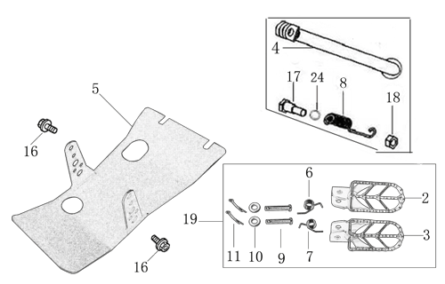
N° | Ref. | Description | Français | Picture | Qty/Bike | Model
1 | YC110-0902/1314 | Steel foot pegs set START / PILOT 2022 GREY | Jeu repose pied Acier START / PILOT 2022 GRIS |  | 1 | W88E22/S88SE22/L8822/L12522/S12522/S125SE22/P12522/P15022/B12522/B15022
2 | YC110-09-01 | Spring for right steel foot peg d1.5mmxd16.5mmx10mm | ressort repose pied droit acier d1.5mmxd16.5mmx10mm |  | 1 | 50A1222/50W1622/W88E1822/S88SE1522/L881722/L1251622/S12522/S125S1522/S125se1522/P1251322/P1501222/SM1251222/SM1501222/B1251722/B1501722
3 | YC110-09-02 | Spring for left steel foot peg d1.5xd16.5x10mm | ressort repose pied gauche acier d1.5xd16.5x10mm |  | 1 | 50A1222/50W1622/W88E1822/S88SE1522/L881722/L1251622/S12522/S125S1522/S125se1522/P1251322/P1501222/SM1251222/SM1501222/B1251722/B1501722
4 | GB882-d8x43-W | shaft pin for steel footpegs d8mmx43mm | axe repose pied acier d8mmx43mm |  | 2 | P1251522/P15015022/SM1501522/B1251722/B1501722
5 | GB97-d8-W | flat washer d8mmxd16mmx1mm | rondelle d8mmxd16mmx1mm |  | 2 | ALL BIKES 1122
6 | GB91-d2x25-W | Cotter pin for shaft pin for steel footpegs d2.0mmx25mm | goupille pour axe repose pied acier d2.0mmx25mm |  | 2 | ALL BIKES 1322
7 | YC110-196 | Kick stand L=280mm | Bequille L=280mm |  | 1 | S12522/S125se1522/SM1251322/P1251322/P1501322
8 | FB02-M10x1.5x30I | Stepped screw M10x35mm for kick stand (step 1.5) | vis bequille M10x35mm (pas1.5) |  | 1 | 50A1422/50E1622/W88E1822/S88SE1522/L881722/L1251622/S1251422/S125S1422/S125se1522/P1251422/P1501422/SM1251422/SM1501422/B1251722/B1501722/BF1501722/BFD2201722/BFZ2201822/S1472020/S1871822
9 | GB6172-M10-G | Hex. Nut M10 (step 1.5) | ecrou bequille M10 (pasl1.5) |  | 1 | 50A1422/50E1622/W88E1822/S88SE1522/L881722/L1251622/S1251422/S125S1422/S125se1522/P1251422/P1501422/SM1251422/SM1501422/B1251722/B1501722/BF1501722/BFD2201722/BFZ2201822/S1472020/S1871822
10 | GB93-d10-W | Standard spring washer d10mm | rondelle d10mm |  | 1 | 50A1422/50E1622/W88E1822/S88SE1522/L881722/L1251622/S1251422/S125S1422/S125se1522/P1251422/P1501422/SM1251422/SM1501422/B1251722/B1501722/BF1501722/BFD2201722/BFZ2201822/S1472020/S1871822
11 | YC110-22-01 | spring for kick stand d2.5mmxd15mmx105mm | ressort bequille d2.5mmxd15mmx105mm |  | 1 | 50A1422/50E1622/W88E1822/S88SE1522/L881722/L1251622/S125S1422/S25SE1522/P1251422/P1501422/SM1251422/SM1501422/B1251722/B1501722/BF1501722/BFD2201722/BFZ2201822/S1472020/S1871822
12 | YC110-201-02 | YCF Engine skid plate Steel START125se MATTE BLACK | Sabot moteur Acier YCF START125se NOIR MAT |  | 1 | L1251622/S12522/P1251322/P1501322/SM1251322/SM1501322
13 | BT08-M6x16-W | Hex.Bolt M6x16mm for skid plate sides fixation | vis M6x16mm pour fixation cotes sabot moteur |  | 2 | S88SE22/L8822/L12522/S12522/S125SE22/P12522/P15022/SM12522/SM15022/SP222/SP322/B12522/B15022/BFD22020/BFZ22020
14 | BT08-M8x25-W | Hex.Bolt M8x25mm for skidplate / engine fixation (bottom) | vis M8x25mm pour fixation sabot/moteur (dessous) |  | 4 | All BIKES 22

Swing Arm assy
 | 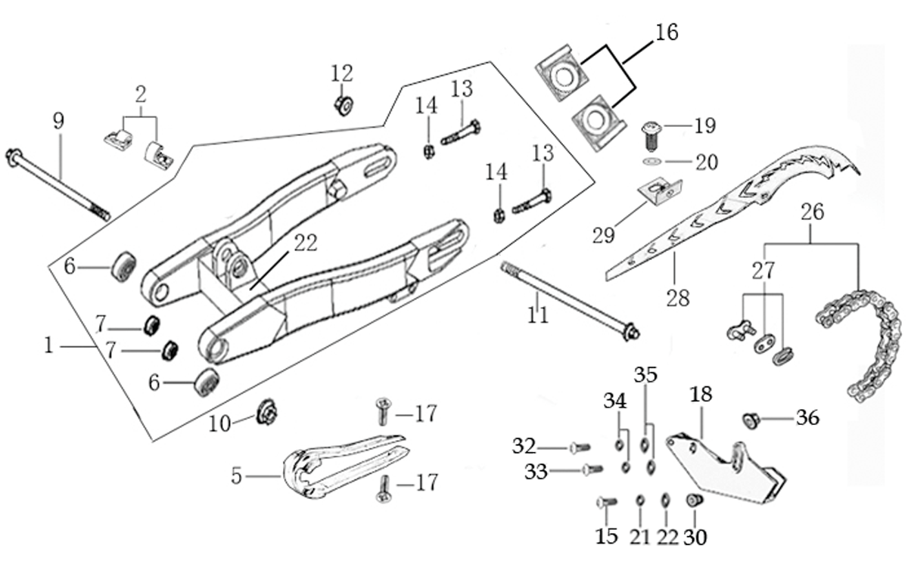
N° | Ref. | Description | Français | Picture | Qty/Bike | Model
1 | YC110-1001-1701 | 2020 Mono swing arm Steel 420mm d 15 mm with front part weld FOR 330 mm SHOCK ABSORBER | Bras oscillant acier mono Acier 420mm 2020 d 15 mm avec fixation avant soudee POUR AMORTISSEUR 330 mm |  | 1 | P12522/P15022
2 | YC110-10-015-BK | Rear brake hose guide 2020 | Passe durite de frein arriere sur bras oscillant 2020 |  | 1 | All BIKES 22
3 | DIN7985-M6x16 | Screw M6x16mm for Rear brake hose guide | Vis M8x16mm pour Passe durite de bras oscillant |  | 5 | All BIKES 22
4 | YC110-10-025 | Chain slider YCF Aluminium swing arm 420mm PU | patin chaine YCF long pour Bras oscillent Aluninium YCF 420mm PU |  | 1 | P1251522/P1501522/SM1501522/SP11222/SP21222/SP31222/B1251722/B1501722/BF1501722/BFD2201722/BFZ2201822/S1471822/S1871822
5 | 6902-NTN | NTN 6902 Bearingfor swing arm d15mmxd28mmx7mm | Roulement bras oscillent NTN 6902 d15mmxd28mmx7mm |  | 4 | P1251822/P1501822/SM1501822/B1251822/B1501822/BF1501822/BFD2201822/BFZ2201822
6 | YC110-1007-10 | Central spacer swing arm Aluminium BIGY/PILOT d16mmxd20mmx149mm | Entretoise centrale de bras oscillent BIGY/PILOT d16mmxd20mmx149mm |  | 1 | P12522/P15022/SM15022/B12522/B15022/BFD22020/BFZ22020
7 | YC110-1009-01 | Swing arm shaft with self lock nut M15 L=240mm | Axe bras oscillant d10 avec ecrou M15 L=240mm |  | 1 | P1251822/P1501822/SM1822/BIGY1822
8 | YC110-11-074 | Rear wheel axle d15mmx1.5mmx215mm with Self locking nut M14 | axe roue arriere avec ecrou d15mmx1.5mmx215mm avec ecrou M14 |  | 1 | W88E1822/S88SE1522/L881722/L1251622/S125s1022/S125se1522/S12522/P1251322/P1501022/SM1251022/SM1501022/SP11022/SP21222/SP31422/B1251722/B1501722/BF1501722/BFD2201722/BFZ2201822/S1471822/S1871822
9 | GB5783-M8x40-W | Exterior hex. Bolt M8x40mm | vis tendeur chaine M8x40mm |  | 2 | W88E1822/S88SE1522/S125se1522/S125S1222/S1251222/P1251322/P1501222/SM1251222/SM1501222/SP11222/SP21222/SP31422/B1251722/B1501722/BFD2201722/BFZ2201822/S1471822/S1871822
...
N° | Ref. | Description | Français | Picture | Qty/Bike | Model
10 | YC110-11-041 | Rear wheel spacer right d15mmxd20mmx29mm | Entretoise roue arriere droite d15mmxd20mmx29mm |  | 1 | W88E1822/S88S1022/S88SE1522/L881722/L1251622/S12522/S125s1022/S125se1522/P1251322/P1501022/SM1251222/SM1501022/SP11022/B1251722/B1501722
11 | YC110-11-052 | Rear wheel spacer left d15mmxd20mmx38mm | Entretoise roue arriere gauche d15mmxd20mmx38mm |  | 1 | W88E1822/S88S1022/S88SE1522/L881722/L1251622/S12522/S125s1022/S125se1522/P1251322/P1501022/SM1251022/SM1501022/SP11022/B1251722/B1501722
12 | YC110-11-06/45 | YCF Driven sprocket 420-45T (4 holes) | couronne acier 45T YCF (4 trous) |  | 1 | 50A1622/L1251622/S12522/S125S1622/S125se1522/P1251622/P1501622/SM1251622/SM1501622
13 | YC110-11-03 | Sprocket Locking piece | block couronne |  | 2 | 50A1322/50E1622/W88E1822/L881722/S88SE1522/L1251622/S125se1522/S12522/P1251322/P1501322/SM1251322
14 | GB5783-M8x25-W | Exterior Hex.Bolt M8X25 for rear sprocket | vis M8x25 pour couronne |  | 4 | 50A1322/50E1622/W88E1822/L881722/S88SE1522/L1251622/S125se1522/S12522/P1251322/P1501322/SM1251322
15 | YC110-1115-01 | Rear Brake disc d220mm | Disque frein arrière d220 mm |  | 1 | W88E1822/S88SE1622/L881722/L1251622/S125S1622/S125se1522/S12522/P1251622/P1501622/SM1251622/SM1501622/SP11622/SP21622/SP31622/B1251722/B1501722/BF1501622/BFD2201722/BFZ2201822/S1471822/S1871822
16 | KVD | Disk screws kit (contain GB70.2-M8x16 4EA) INOX | KIT VIS DISQUE M8x16 ( lot de 4 GB70.2-M8x16) INOX |  | 1 | W88E1822/S88SE1622/L881722/L1251622/S125S1622/S125se1522/S12522/P1251622/P1501622/SM1251622/SP11622/SP21622/SP31622/B1251722/B1501722/BF1501622/BFD2201722/BFZ2201822/S1471822/S1871822
17 | YC110-11-01 | tire lining 12" | fond jante 12' |  | 1 | L1251622/S125se1522/S125S1222/S12522/P1251322/P1501222/SM1251222/SP11322/SP21322/SP31322

REAR BRAKE
 | 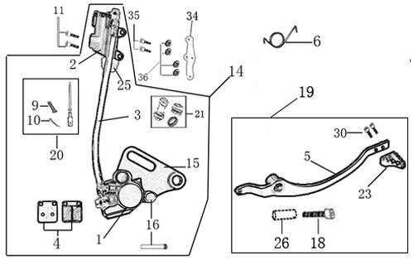
N° | Ref. | Description | Français | Picture | Qty/Bike | Model
1 | YC110-12012-2401 | Rear brake aasy 1 piston W/T asbestos d10mm/d10mm L=465mm 2020 | Kit frein arriere 1 piston avec gaine plastic SANS AMIANTE d10mm/d10mm L=465mm 2020 |  | 1 | P12522/P15022/SM15022
2 | BT08-M6x22-W | Hex.Bolt M6x20mm for Rear reservoir | Vis M6x20mm pour fixation maitre cylindre frein arriere |  | 2 | W88E22/S88SE22/L8822/L12522/S125SE22/S12522/P12522/P15022/SM12522/SM15022/SP222/SP322/B12522/B15022/BFD21022/BFZ21022/S14722/S18722
3 | YC110-1221-0401 | Rear Caliper 1 pistons d10 w/t asbestos | étrier frein arrière 1 piston d10 sans amiante |  | 1 | W88E22/S88SE22/S125SE22/S12522/P12522/P15022/SM12522/SM15022/B12522/B15022/
4 | YC110-1224 | Friction pad for 1 piston brake w/t abestos with copper substrate | plaquette frein arrière 1 piston SANS AMIANTE |  | 2 | S125S1622/S125SE1622/S12522/P1251622/P1501622/SM1251622/SM1501622/B1251722/B1501722/S1471822/S1871822
5 | YC110-1221-01 | Rear brake bracket T=5mm | patte fixation étrier frein arriere T=5mm |  | 1 | W88E1822/S88SE1522/S125se1522/S125S1322/S12522/P1251322/P1501222/SM1251222/SM1501222/B1251722/B1501722
6 | YC110-1255 | Rear Brake pads Screw L=38mm | Vis plaquette AR L=38mm |  | 2 | W88E1822/S88SE1522/S125se1522/S125S1322/S12522/P1251322/P1501222/SM1251222/SM1501222/B1251722/B1501722/S1471822/S1871822
7 | YC110-122110 | rubber for rear caliper | jeu de caoutcgouc d'etrier frein arriere |  | 1 | ALL BIKES 1222
8 | YC110-1221024 | Rear reservoir d10mm（with stick L=42.5mm） | maitre cylindre frein arrière avec embout durite d10mm （with stick L=42.5mm） |  | 1 | P1251622/P1501622/SM1501622/SP11622/SP21622/SP31622/B1251722/B1501722/BFD2201722/BFZ2201822/S1471822/S1871822
9 | YC110-1221062 | Oil steel tube L=465mm d10mm/d10mm PILOT 2020 BLACK | Durite frein arrière L=465mm d10mm/d10mm PILOT 2020 Noir |  | 1 | P12522/P15022/SM15022
...
11 | YC110-21-01 | Spring for Steel brake pedal' d3mmxd32mmx7mm | ressort pour pédale de frein Acier d3mmxd32mmx7mm |  | 1 | W88E1822/S88SE1522/L881722/L1251622/S125se1522/S12522/P1251522/P1501522/SM1251522/SM1501522/B1251722/B1501722
12 | GB70.1-M10x35-B | Nut for brake pedal M10x35mm | vis pour pédale frein M10x35mm |  | 1 | P1251322/P1501222/SM1501222/B1251722/B1501722
13 | YC110-1223-01 | Steel brake pedal end cap 2020 | embout pédale de frein Acier 2020 |  | 1 | W88E22/S88SE22/88L22/125L22/S12522/S125SE22/P12522/P15022/SM12522/SM15022/B12522/B15022
14 | BT08-M6x12-W | Hex.Bolt M6x12mm Steel brake pedal end cap | vis M6x12mm pour embout pédale de frein Acier |  | 4 | All BIKES 22
15 | FB13-10x14x17-CW | bushingd10mmxd14mmx17mm | entretoise d10mmxd14mmx17mm |  | 1 | P1251322/P1501322/SM1501322/B1251722/B1501722
16 | YC110-1215-06 | Mount for rear break reservoir "extern" | fixation maitre cylindre frein arriere "externe" |  | 1 | P1251722/P1501722/SM1501722/SP11722/SP21722/SP31722/B1251722/B1501722/BFD2201722/BFZ2201822/S1471822/S1871822
17 | BT08-M6x16-W | Hex.Bolt M6x16mm | vis M6x16mm |  | 2 | P12522/P15022/SM15022/SP222/SP322/B12522/B15022/BFD21022/BFZ21022/S14722/S18722
18 | BT08-M6x16-W | Hex. Bolt e M6x16mm for rear break reservoir fixation | vis M6x16mm pour fixation maitre cylindre frein arriere |  | 2 | P12522/P15022/SM15022/SP222/SP322/B12522/B15022/BFD22020/BFZ22020/S14722/S18722

Exhaust system
 |  | 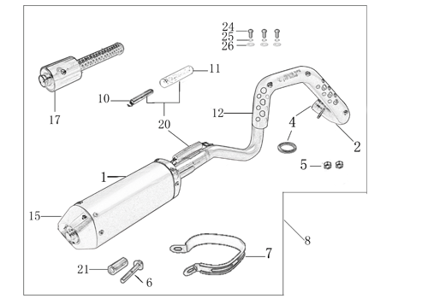
N° | Ref. | Description | Français | Picture | Qty/Bike | Model
1 | YC110-136-0302-GY | PILOT / SM150 Muffler& Exhaust pipe assy YCF 94db (1 spring)2020 | Echapement complet YCF 94db PILOT / SM150 (1 ressort)2020 |  | 1 | P12522/P150E22/SM15022
2 | YC110-13016-GY | YCF Muffler 94db START L=295mm (1 springs) GREY | silencieux YCF 94db GRIS |  | 1 | S88S1516/S88SE1522/L881722/L1251622/S12522/S125S1522/S125se1522/P1251522/P1501522/SM1251522/SM151522
3 | YC110-13-301 | Noise reducer (spark arrestor) YCF START | Bride de pot YCF START |  | 1 | S88S1226/S88SE1522/L881722/L1251622/S1251222/S125S1222/S125se1522/P1251322/P1501222/SM1251222/SM1501222/B1251722/B1501722
4 | YC110-13-32 | Muffler end cap YCF | Embout silencieux YCF |  | 1 | S88S1226/S88SE1522/L881722/L1251622/S1251222/S125s1222/S125se1522/P1251322/P1501222/SM1251222/SM1501222/B1251722/B1501722
5 | GB70.2-M5x12 | Plus screw M5x12mm for muffler end cap | vis M5x12mm pour Embout silencieux |  | 3 | S88S1226/S88SE1522/L881722/L1251622/S1251222/S125s1222/S125se1522/P1251322/P1501222/SM1251222/SM1501222/B1251722/B1501722
6 | GB93-d5 | Standard spring washer d5mm for muffler end cap | rondelle d5mm pour Embout silencieux |  | 3 | S88S1226/S88SE1522/L881722/L1251622/S1251222/S125s1222/S125se1522/P1251322/P1501222/SM1251222/SM1501222/B1251722/B1501722
7 | YC110-1302-37 | Exhaust pipe with protection plate d28 mm PILOT 2020 End length L=120mm | collecteur avec plaque d28 mm PILOT 2020 embout long 120mm |  | 1 | P1251522/P1501522/SM1501522
8 | 18291/152FMH | Exhaust pipe washer d25.5mmxd32mmx4mm | joint pot d25.5mmxd32mmx4mm |  | 1 | S88SE1522/L881722/L1251622/S125se1522/S12522/P1251322/P1501222/SM1251222/SM1501222/SP11222/SP21222/SP31422/B1251722/B1501722/BFD2201722/BFZ2201822/S1471822/S1871822
9 | GB6187-M6-W | Self-locking Nut M6 for exhaust pipe fixation on engine | écrou M6 pour fixation du collecteur sur le moteur |  | 2 | S88SE1522/L881722/L1251622/S125se1522/S12522/S125S1222/P1251322/P1501222/SM1251222/SM1501222/SP11222/SP21222/SP31422/B1251722/B1501722/BF1501722/BFD2201722/BFZ2201822/S1471822/S1871822
10 | YC110-1312-08 | Protection for exaust pipe PILOT / SM150 2020 | Grille pot PILOT / SM150 2020 |  | 1 | P12522/P15022/SM15022/BIGY12522/BIGY15022
11 | BT08-M6x10-W | Hex.Bolt M6x10mm for protection fixation on exhaust | vis M6x10mm pour fixation de la grille sur le collecteur |  | 3 | All BIKES 22
12 | GB97-d6-W | flat washer d6mm | rondelle d6mm |  | 3 | ALL BIKES 1522
13 | YC110-13-06 | Hoop for muffler YCF 2020 (FB13-d10xd14x23-W 一个+BT08-M8x40-W 一个) | Attache silencieux YCF 2020(FB13-d10xd14x23-W 一个+BT08-M8x40-W 一个) |  | 1 | S88SE22/L8822/L12522/S12522/S125SE22/SM12522/SM15022/P12522/P15022
14 | BT08-M8x40-W | Hex.Bolt M8x40mm for muffler hoop fixation | vis M8x40mm pour fixation attache silencieux |  | 1 | S88SE22/S12522/S125SE22/SM12522/SM15022/P12522/P15022
15 | YC110-13-21 | YCF Muffler spring with rubber | Ressort pot avec le caoutchouc YCF pour silencieux |  | 1 | S88SE1522/S88S1522/L881722/L1251622/S125se1522/S12522/P1251422/P1501422/SM1251322/SM1501322/SP21322/B1251722/B1501722/BF1501722/BFZ2201722/S1471822/S1871822

Seat & Plastic kit
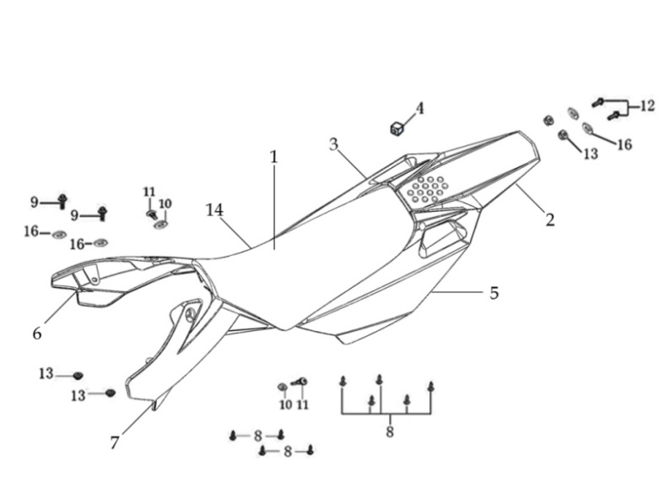
N° | Ref. | Description | Français | Picture | Qty/Bike | Model
1 | YC110-1401-17 | YCF Seat assy L=510mm | Sells SP L=510mm |  | 1 | P1251822/P1501822/SM1501822/SP21822/SP31822
2 | YC110-14-018-WH | YCF Rear fender WHITE with YC110-1404-01 2EA FACTORY | Garde boue arrière YCF avec Picots BLANC FACTORY |  | 1 | P1251622/P1501622/SM1501622/SP11617/SP21622/SP31622
3 | YC110-14-028-WH | YCF right side plastic assy WHITE | Plaque latérale droite YCF BLANC |  | 1 | P1251622/P1501622/SM1501622/SP11622/SP21622/SP31622
4 | YC110-14-03 | Cushion for right side plastic BLACK | caoutchouc plaque laterale droite NOIR |  | 1 | ALL BIKES
5 | YC110-14-048-WH | YCF left side plastic assy WHITE | Plaque laterale gauche YCF BLANC |  | 1 | P1251622/P1501622/SM1501622/SP11622/SP21622/SP31622
6 | GB822-M5x10-W | Plus screw M5x10mm | vis M5x10mm |  | 2 | P1251622/P1501622/SM1501622/SP11622/SP21622/SP31622/B1251722/B1501722/BF1501722/BFD2201722/BFZ2201822
7 | YC110-1404-01 | Cushion for side plastic d8.2mmxd22.2mmx9mm | caoutchouc plaque laterale d8.2mmxd22.2mmx9mm |  | 2 | P1251622/P1501622/SM1501622/SP11622/SP21622/SP31622/B1251722/B1501722/BF1501722/BFD2201722/BFZ2201822
8 | YC110-14-059-YE | Right shroud SP 2020 YELLOW | ouie radiateur droite SP 2020 JAUNE |  | 1 | W88E22/S88SE22/S125SE22/S12522/P1251822/P1501822/SM12522/SM1501822/SP12/SP21722/SP31722
9 | YC110-14-069-YE | Left side shroud SP2020 YELLOW | ouie radiateur gauche SP2020 JAUNE |  | 1 | W88E22/S88SE22/S125SE22/S12522/P1251822/P1501822/SM12522/SM1501822/SP122/SP21722/SP31722
...
N° | Ref. | Description | Français | Picture | Qty/Bike | Model
11 | YC50-1510 | relay 50CC | Relais demarreur 50CC |  | 1 | 50A1222/S88SE1522/S125SE1522/BFZ2201822
12 | YC110-1513-01 | Charger connexion F88se/F125se | Connection chargeur F88se/F125se |  | 1 | S88SE1522/S125SE1522/BFZ2201822
13 | YC110-1508-03 | Hustle rubber L=133mm | Maintien complet Batterie L=133mm |  | 1 | 50A1722/S88SE1622/S125se1622/BFZ2201822
14 | YC110-0021-02 | Key contactor Waterproof | Contacteur a cle |  | 1 | 50A1822/50E1822/W88E1822/S88SE1822/S125SE1822/BFZ2201822
15 | YC110-1531-03 | Key contactor bracket BLACK | Support Contacteur Cle NOIR |  | 1 | W88E1822/S88SE1522/S125SE1522/BFZ2201822
16 | BT08-M6x10-W | Hex.Bolt M6x10mm | vis M6x10mm |  | 2 | 50A1222/S88SE1522/S125SE1522/BFZ2201722
17 | YC110-1539 | Bracket for relay BLACK | Support Relay NOIR |  | 1 | S88SE1522/S125SE1522/BFZ2201822
18 | YC110-1561 | Battriy cover with sticker | Couvre batterie avec sticker |  | 1 | 50A22/S88SE22/S125SE22/BFZ22020/SM125SE

Frame
 |  | 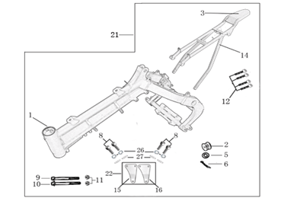
N° | Ref. | Description | Français | Picture | Qty/Bike | Model
1 | YC110-1621-0302-WH | complète frame PILOT 150E WHITE / Black pads 2020 | cadre complet PILOT 150E BLANC / Pattes Noires 2020 |  | 1 | PILOT150E22
2 | YC110-1601-0501-WH | PILOT / SM150 Chromoly steel frame (for fork 735mm) 2020 WHITE swing arm axle 15 mm | Cadre acier chromoly PILOT / SM150 (pour fourche 735mm) 2020 BLANC axe bras d15 mm |  | 1 | P12522/P15022/SM15022
3 | YC110-01-08-BK | Cable tie tie ADJUSTABLE BLACK | Collier maintien cable AJUSTABLE NOIR |  | 1 | ALL BIKES2020
4 | YC110-2201-02 | YCF Chain tensioner component Nylon 2020 | Roulette chaine YCF 2020 Nylon |  | 1 | S88SE22/L8822/L12522/S125SE22/S12522/P12522/P15022/SM12522/SM15022/SP222/SP322/B12522/B15022/BFD22020/BFZ2201722/
5 | YC110-1614-30-BK | Rear frame part chromoly Electric start BLACK | Boucle arriere chromoly Démarrage électrique NOIR |  | 1 | P12522/P15022/SM15022
6 | YC110-1633-01 | Rubber plug for SUBFRAME part BIGY YCF | Caoutchouc embout arriere boucle arriere YCF |  | 1 | P1251822/P1501822/SM1501722/SP117/SP22722/B1251722/B1501722/BFD2201722/BFZ2201822/S1471822/S1871822
7 | YC110-1622-02-BK | set of engine pads PILOT /SM150 BLACK | jeu de patte de cadre PILOT / SM150 NOIR |  | 1 | P1251522/P1501422/SM1501422
8 | BT08-M8x80-W | Hex.Bolt M8x80mm for engine pads (top) | vis M8x80mm pour patte de cadre (haut) |  | 2 | P125182020/P150182020/SM1822
9 | BT08-M8x115-W | Hex.Bolt M8x115mm for engine pads (botom) | vis M8x115mm pour patte de cadre (bas) |  | 1 | L8822/L15022/S88SE22/S12522/S125SE22/P12522/P15022/SM12522/SM15022
...

